Sheet1 (2)
GISC Staff
Sr No | Name of Employee | Employee Post | Photo | Center
1 | Dr. Tushar Panchal | Group CEO |  | Ahmedabad Center
2 | Mr. Mahavirsingh Makwana | Incubation Manager | 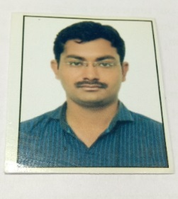 | Ahmedabad Center
3 | Ms. Akanksha Gupta | OSD Incubation & Administrator |  | Ahmedabad Center
4 | Mr. Hemik D Mehta | Reginal Innovation & Start-up Coordinetor | 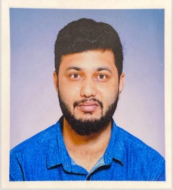 | Vadodara Center
5 | Ms. Manali Patel | Incubation Associate | 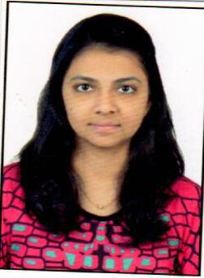 | Rajkot Center
6 | Mr. Kalpesh Maiyad | Incubation Associate | 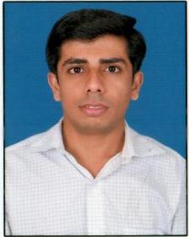 | Ahmedabad Center
7 | Ms. Nidhi Chaudhari | Accountant |  | Ahmedabad
8 | Ms. Pina Kori | Accountant |  | Ahmedabad Center
9 | Mr. Vishal Rathod | Admin (Incubation) |  | Surat Center
10 | Ms. Dhara Dabhi | Office Assistant |  | Ahmedabad Center
11 | Mr. Siddharaj Solanki | Office Assistant |  | Ahmedabad Center
12 | Mr. Raj Hakani | Assistant Professor |  | Ahmedabad Center
13 | Mr. Neelesh Sharma | Assistant Professor, DIC |  | Ahmedabad Center
14 | Mr. Rakesh Nayi | Office Assistant |  | Ahmedabad Center

